PROD UAT Instance Val
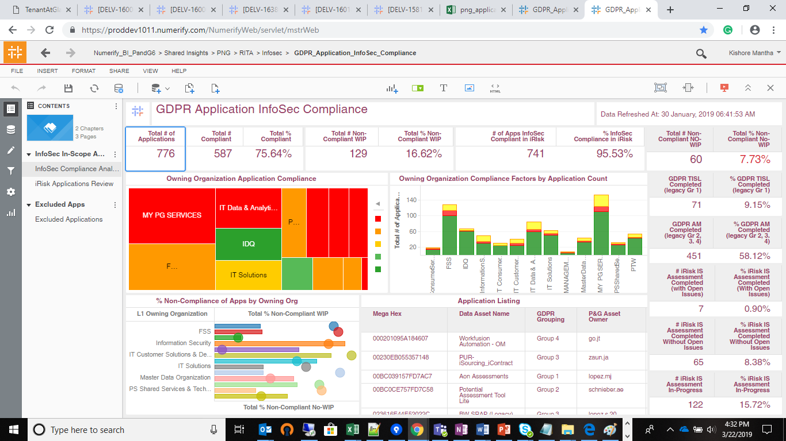
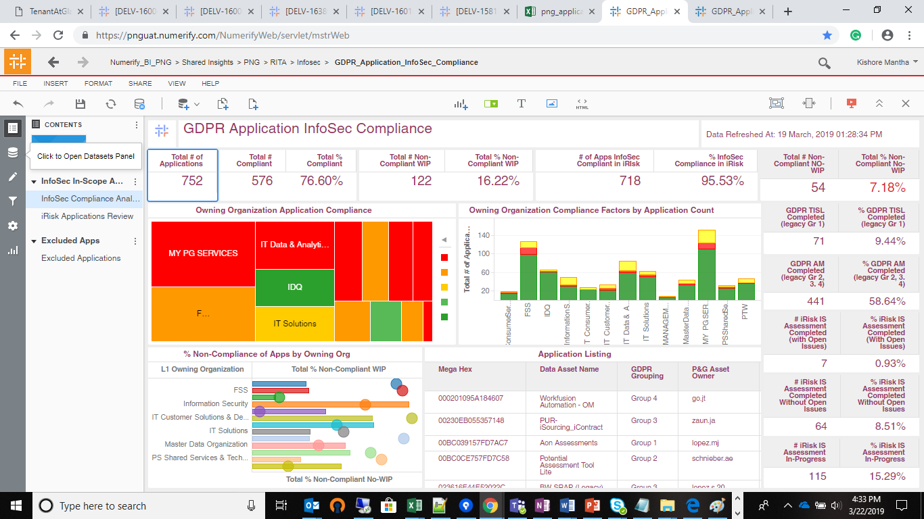
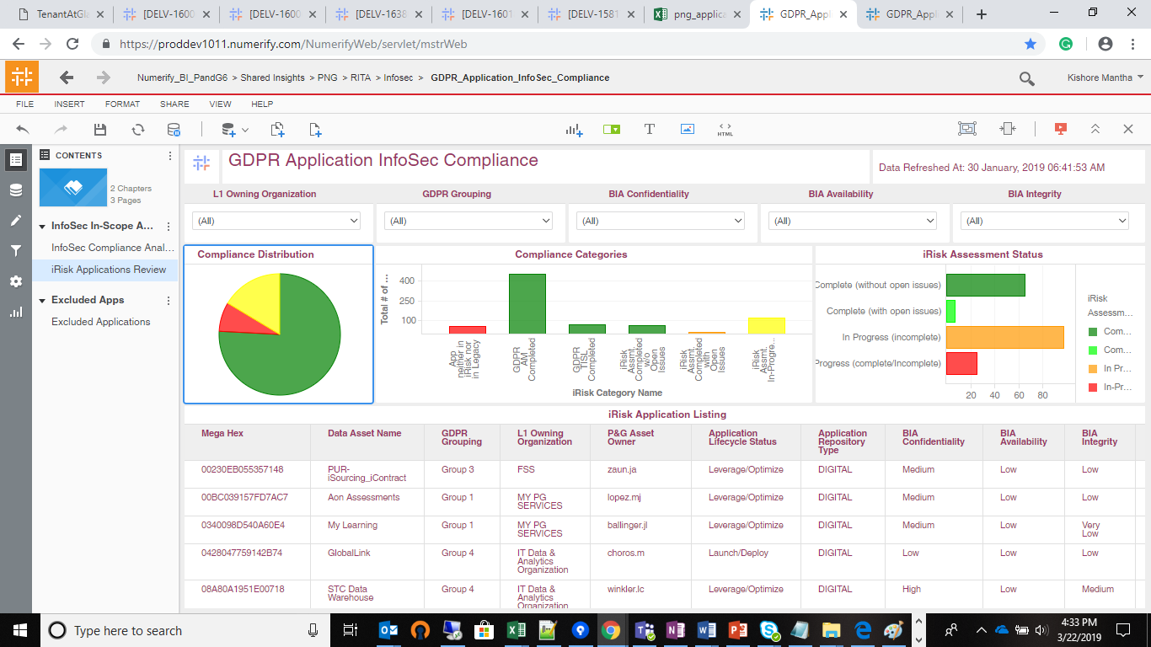
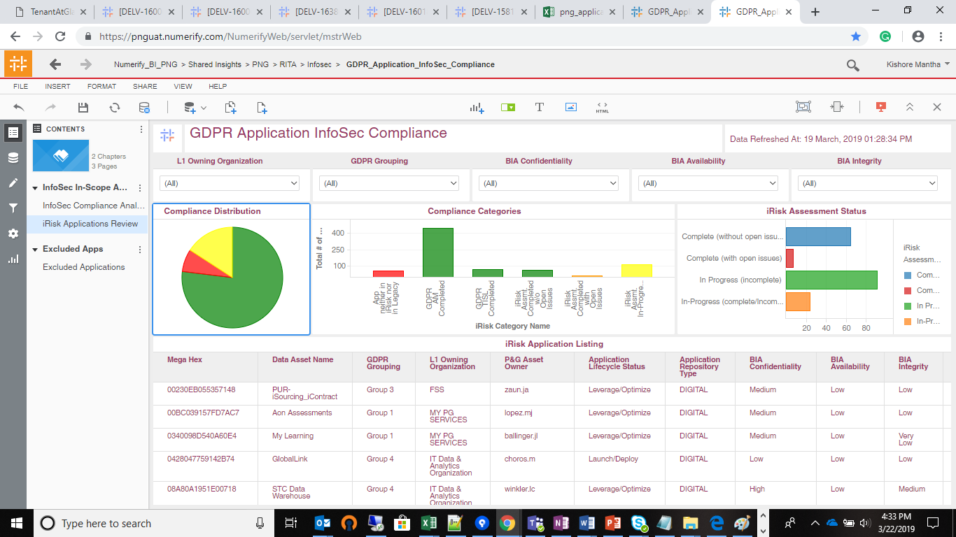
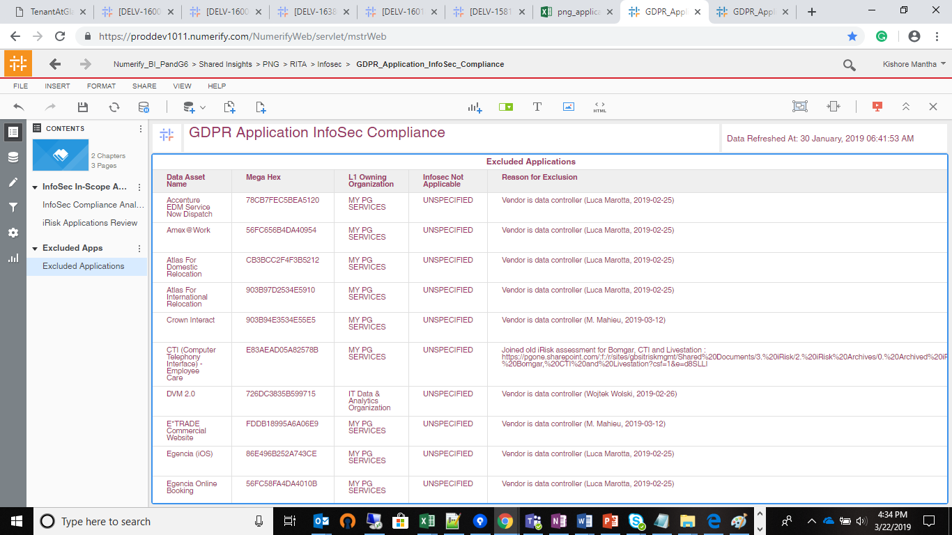
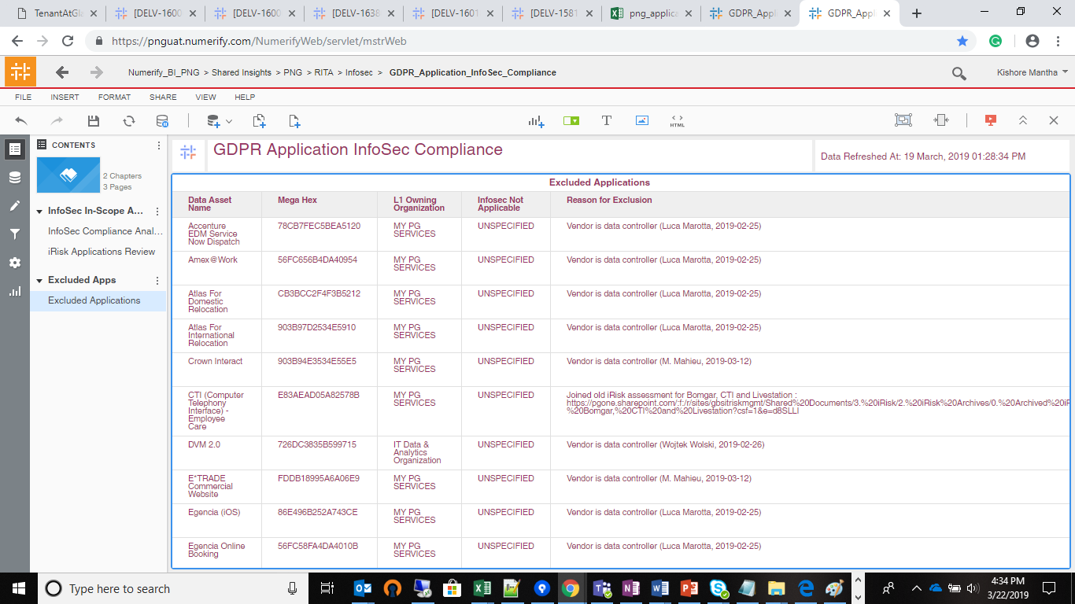
Cube Query
/* d_application_gdpr_grouping_name_c done d_application_pg_asset_owner_c done d_application_pg_data_privacy_c done d_lov_mega_availability_rating_c done d_lov_mega_confident_rating_c done d_lov_mega_integrity_rating_c done d_lov_processing_activities_ot_life_cycle_status_c done d_lov_processing_activities_ot_repository_type_c done d_processing_activities_managing_organization_c done d_rita_application_c done d_rita_application_repository_type_c done f_rita_application_c_fact done */ SELECT 'ldb.f_rita_application_c_fact' AS TABLE_NAME, COUNT(1) AS ROW_COUNT FROM ldb.f_rita_application_c_fact a11 UNION SELECT 'ldb.d_rita_application_c' AS TABLE_NAME, COUNT(1) AS ROW_COUNT FROM ldb.f_rita_application_c_fact a11 JOIN ldb.d_rita_application_c a12 ON a11.rita_application_c_key=a12.row_key UNION SELECT 'ldb.d_rita_application_repository_type_c' AS TABLE_NAME, COUNT(1) AS ROW_COUNT FROM ldb.f_rita_application_c_fact a JOIN ldb.d_rita_application_c b ON a.rita_application_c_key=b.row_key JOIN ldb.d_rita_application_repository_type_c c ON b.rita_application_repository_type_c_key=c.row_key UNION SELECT 'ldb.d_processing_activities_managing_organization_c' AS TABLE_NAME, COUNT(1) AS ROW_COUNT FROM ldb.f_rita_application_c_fact a11 JOIN ldb.d_processing_activities_managing_organization_c a12 ON a11.managing_organization_c_key=a12.row_key UNION SELECT 'ldb.d_lov_processing_activities_ot_repository_type_c' AS TABLE_NAME, COUNT(1) AS ROW_COUNT FROM ldb.f_rita_application_c_fact a11 JOIN ldb.d_rita_application_c a12 ON a11.rita_application_c_key=a12.row_key JOIN ldb.d_lov_processing_activities_ot_repository_type_c a13 ON a12.application_nature_c_key=a13.row_key UNION SELECT 'ldb.d_lov_processing_activities_ot_life_cycle_status_c' AS TABLE_NAME, COUNT(1) AS ROW_COUNT FROM ldb.f_rita_application_c_fact a11 JOIN ldb.d_rita_application_c a12 ON a11.rita_application_c_key=a12.row_key JOIN ldb.d_lov_processing_activiti

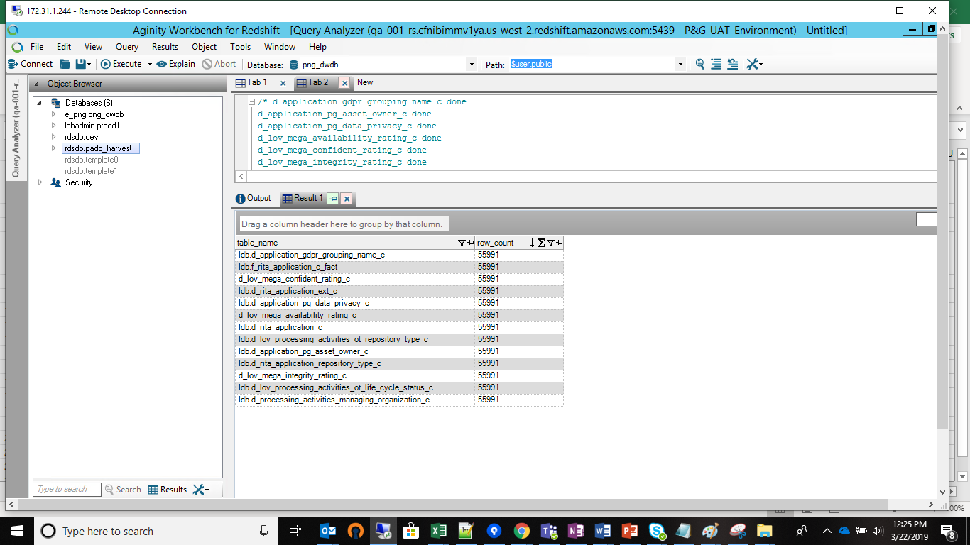
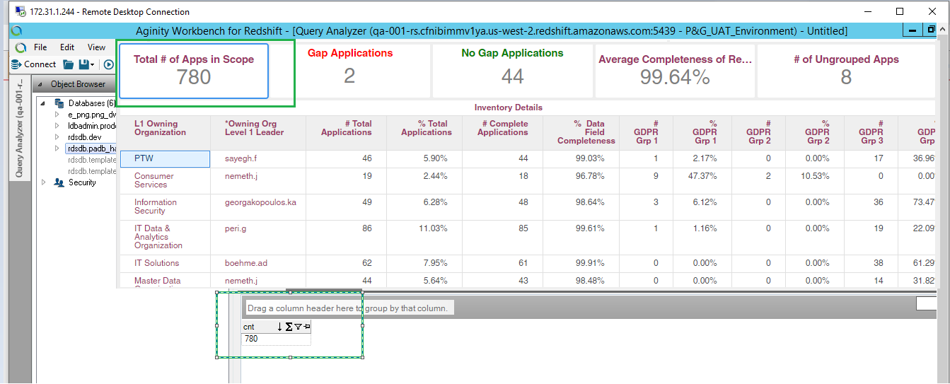

 | PROD Dev | PROD UAT Instance

PROD Validation
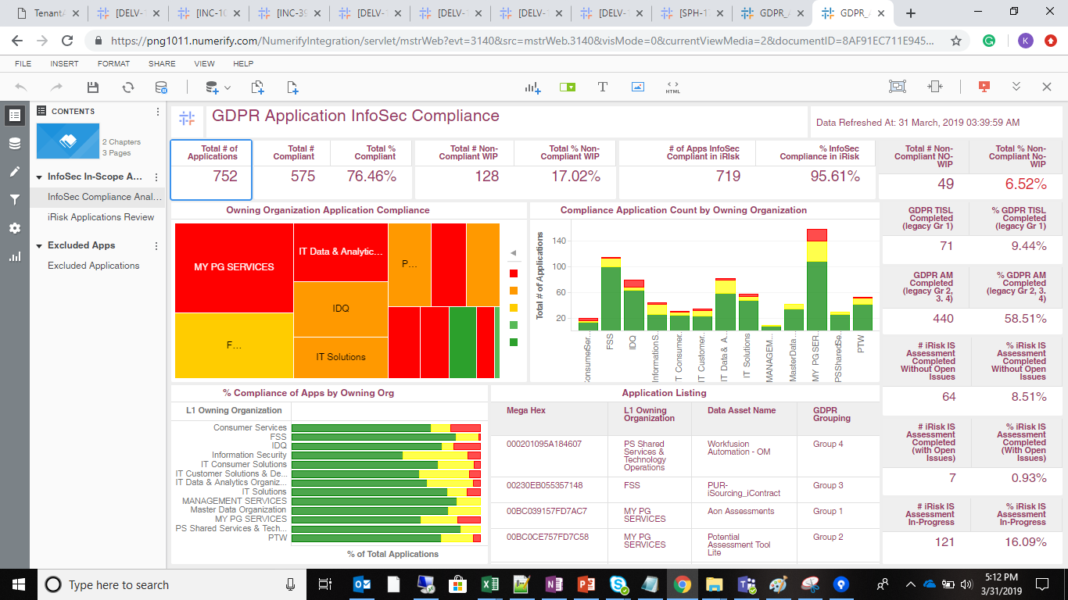
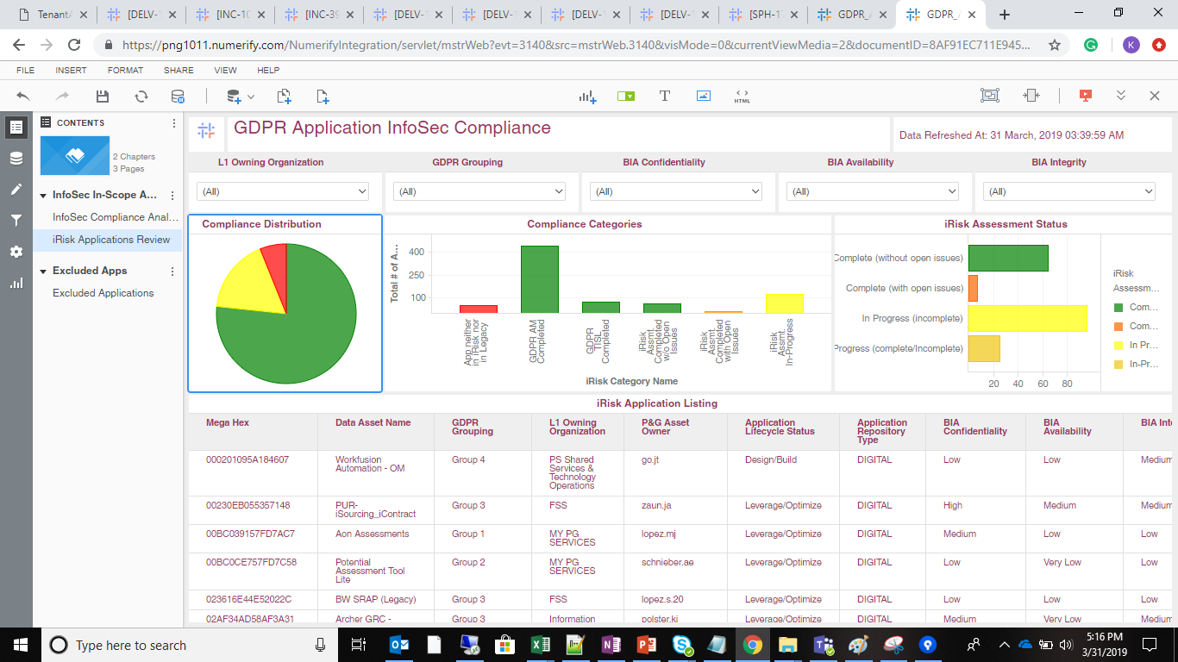
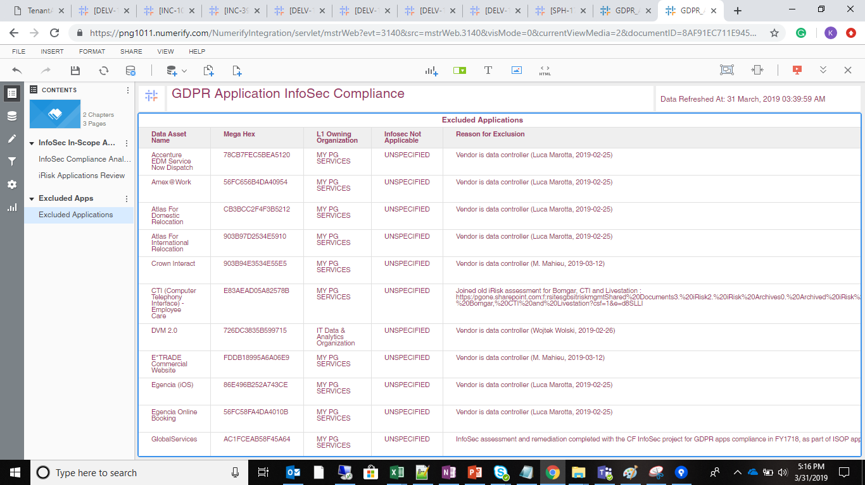
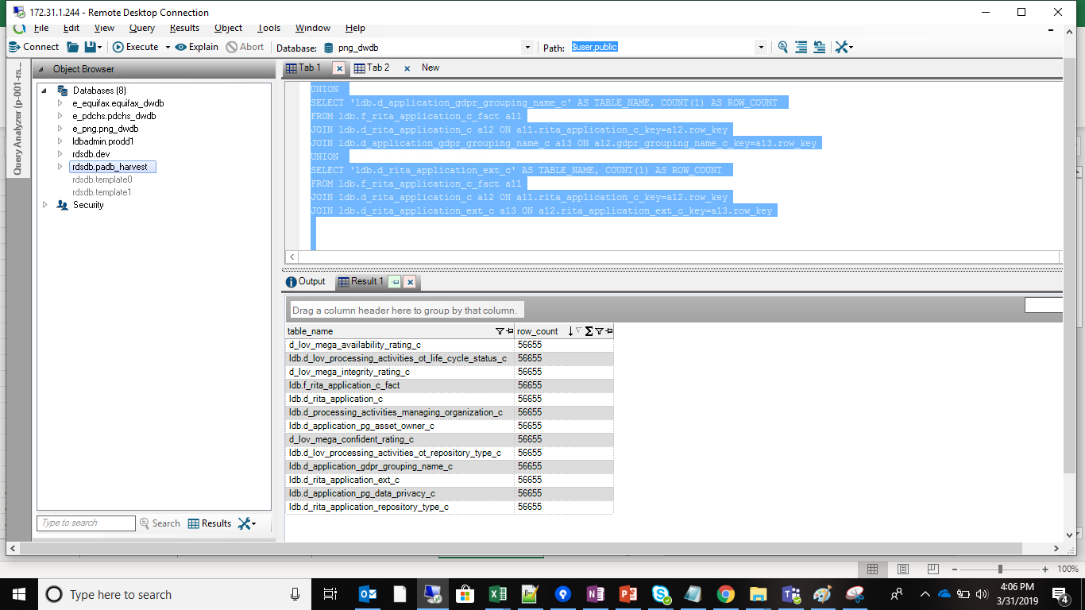
 |  | Count Drops Validation
/* d_application_gdpr_grouping_name_c done d_application_pg_asset_owner_c done d_application_pg_data_privacy_c done d_lov_mega_availability_rating_c done d_lov_mega_confident_rating_c done d_lov_mega_integrity_rating_c done d_lov_processing_activities_ot_life_cycle_status_c done d_lov_processing_activities_ot_repository_type_c done d_processing_activities_managing_organization_c done d_rita_application_c done d_rita_application_repository_type_c done f_rita_application_c_fact done */ SELECT 'ldb.f_rita_application_c_fact' AS TABLE_NAME, COUNT(1) AS ROW_COUNT FROM ldb.f_rita_application_c_fact a11 UNION SELECT 'ldb.d_rita_application_c' AS TABLE_NAME, COUNT(1) AS ROW_COUNT FROM ldb.f_rita_application_c_fact a11 JOIN ldb.d_rita_application_c a12 ON a11.rita_application_c_key=a12.row_key UNION SELECT 'ldb.d_rita_application_repository_type_c' AS TABLE_NAME, COUNT(1) AS ROW_COUNT FROM ldb.f_rita_application_c_fact a JOIN ldb.d_rita_application_c b ON a.rita_application_c_key=b.row_key JOIN ldb.d_rita_application_repository_type_c c ON b.rita_application_repository_type_c_key=c.row_key UNION SELECT 'ldb.d_processing_activities_managing_organization_c' AS TABLE_NAME, COUNT(1) AS ROW_COUNT FROM ldb.f_rita_application_c_fact a11 JOIN ldb.d_processing_activities_managing_organization_c a12 ON a11.managing_organization_c_key=a12.row_key UNION SELECT 'ldb.d_lov_processing_activities_ot_repository_type_c' AS TABLE_NAME, COUNT(1) AS ROW_COUNT FROM ldb.f_rita_application_c_fact a11 JOIN ldb.d_rita_application_c a12 ON a11.rita_application_c_key=a12.row_key JOIN ldb.d_lov_processing_activities_ot_repository_type_c a13 ON a12.application_nature_c_key=a13.row_key UNION SELECT 'ldb.d_lov_processing_activities_ot_life_cycle_status_c' AS TABLE_NAME, COUNT(1) AS ROW_COUNT FROM ldb.f_rita_application_c_fact a11 JOIN ldb.d_rita_application_c a12 ON a11.rita_application_c_key=a12.row_key JOIN ldb.d_lov_processing_activiti

 | Cube Filter
SELECT Count(1) as CNT FROM ldb.f_rita_application_c_fact a JOIN ldb.d_rita_application_c b ON a.rita_application_c_key=b.row_key JOIN ldb.d_lov_processing_activities_ot_repository_type_c c ON b.application_nature_c_key=c.row_key JOIN ldb.d_processing_activities_managing_organization_c d ON a.managing_organization_c_key=d.row_key JOIN ldb.d_lov_processing_activities_ot_life_cycle_status_c e ON b.data_asset_lifecycle_status_key=e.row_key JOIN ldb.d_application_pg_data_privacy_c f ON b.application_pg_data_privacy_c_key=f.row_key WHERE ( b.grace_period_c='Already in VP Tracker' AND b.gdpr_rel_cal_overwritten='Y' AND e.source_dimension_name IN ('Design/Build', 'Exception', 'Launch/Deploy', 'Leverage/Optimize', 'Qualify/Deliver', 'Retired', 'Sunset') AND f.dimension_name IN ('High', 'Low', 'Medium') AND c.cust_dimension_name_c IN ('Application', 'Application - Externally Owned', 'Component', 'NonDigital') AND d.lev_1_organization_name IN ( 'Consumer Services','FSS', 'IDQ','Information Security','IT Consumer Solutions', 'IT Customer Solutions & Delivery','IT Data & Analytics Organization', 'IT Solutions','MANAGEMENT SERVICES','Master Data Organization','MY PG SERVICES','IT IT innovation Organization', 'PS Shared Services & Technology Operations','PTW' ) )

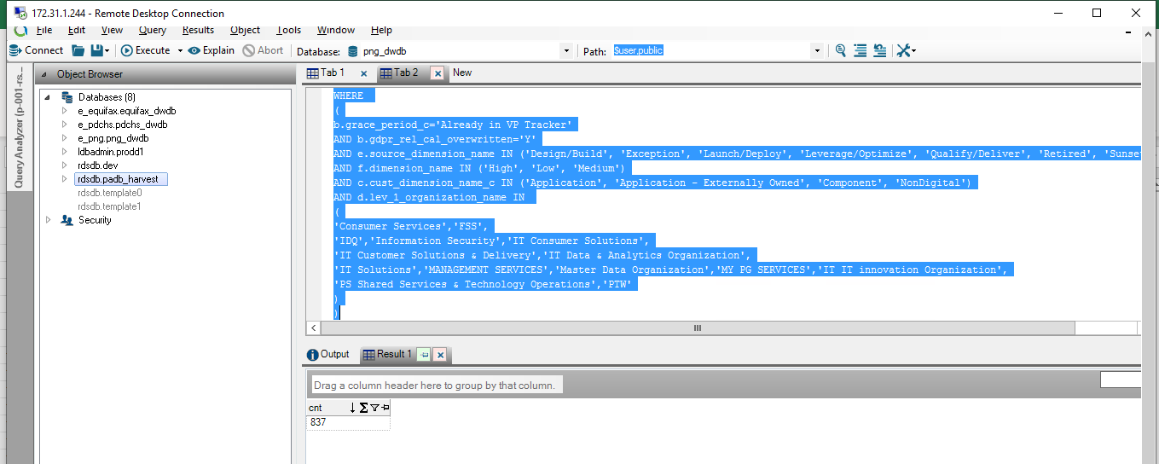
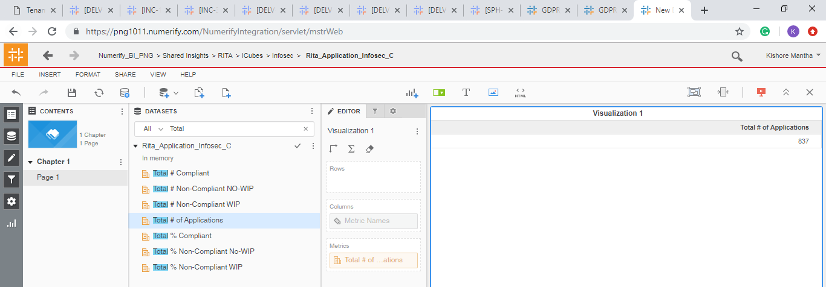

 | landing page: GDPR Infosec Complaince

